Sheet1
Shading Map Code | Excel File | Shading Map | Top 20 Image | MPP | Series | Bypass | TCT | SP | Improvement | Number of iterations
B9378P5 | B9378P5.xslx | ﻿block_shading(10, 6, np.array([9, 3, 7, 8])) | 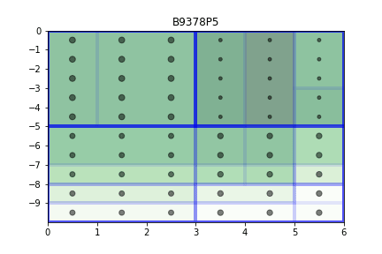 | 202.3 | 127.38 | 127.38 | 222.48 | 200.59 | 91% | 64000
B9378P10 | B9378P10.xslx | ﻿block_shading(10, 6, np.array([9, 3, 7, 8])) | 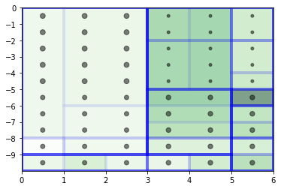 | 229.7 | 127.38 | 127.38 | 222.48 | 200.59 | 103% | 125000 | Low VMP = 0.7V
﻿R01P5 | ﻿R01P5.xslx | 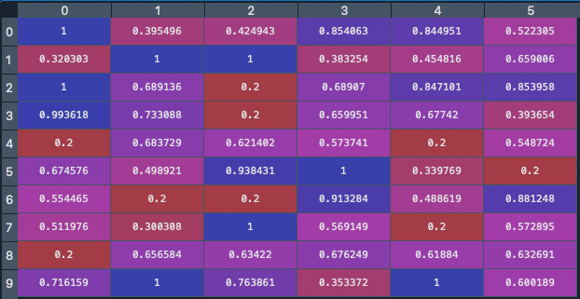 | 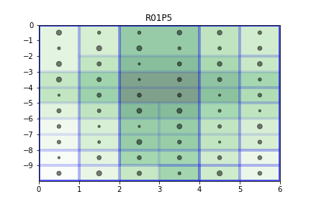 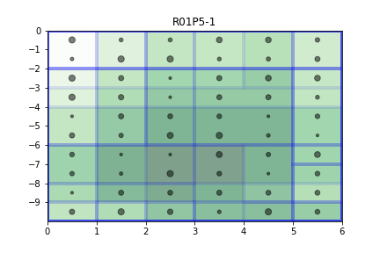 | 189 | 86.13 | 86.13 | 227.83 | 104.28 | 83% | 64000
R01P10 |  |  | 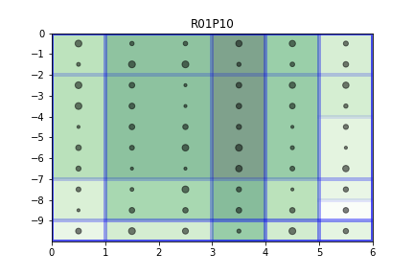 | 210 | 86.13 | 86.13 | 227.83 | 104.28 | 92% | 64000
S01P5 | S01P5.xslx | Last column at 3, rest at 7 | 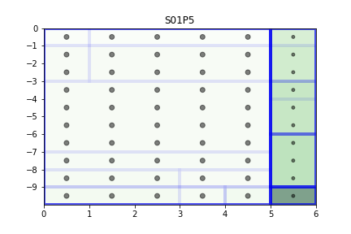 | 230 | 128.66 | 128.66 | 128.65 | 128.65 | 179% | 64000
S02P5 | S02P5.xslx | First two rows at 3, rest at 7 | 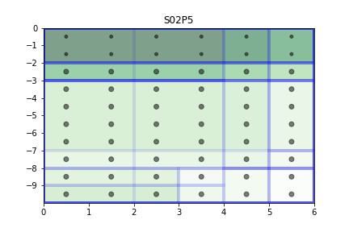 | 202 | 130.39 | 216.72 | 254.27 | 254.27 | 79% | 64000
S03P5 | S03P5.xslx | First column at 3, rest at 7 | 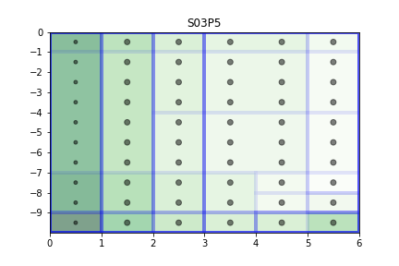 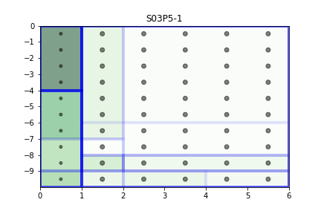 | 219 | 128.66 | 128.66 | 128.65 | 128.65 | 170% | 64000
C01P5 | C01P5.xslx | 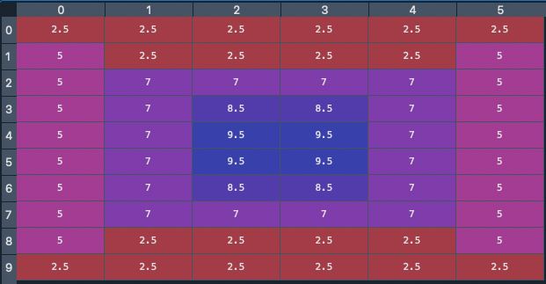 | 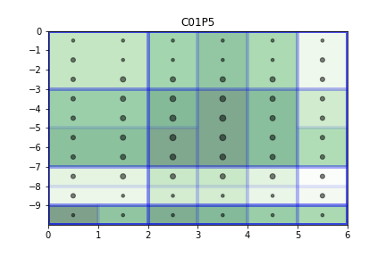 | 146 | 103.73 | 103.73 | 181.75 | 159.16 | 80% | 64000
C02P5 | C02P5.xslx | 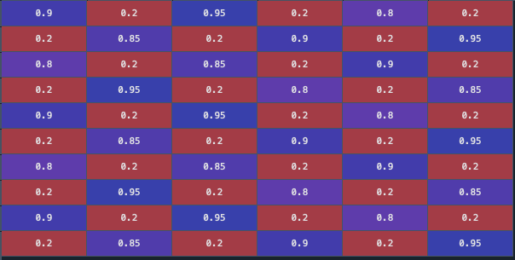 | 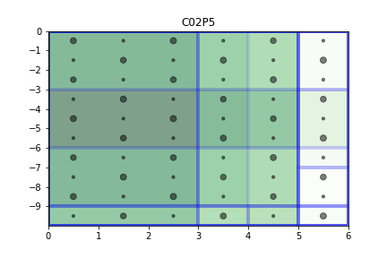 | 169 | 81.21 | 81.21 | 204.76 | 81.21 | 83% | 64000
S04P5 | S04P5.xslx | 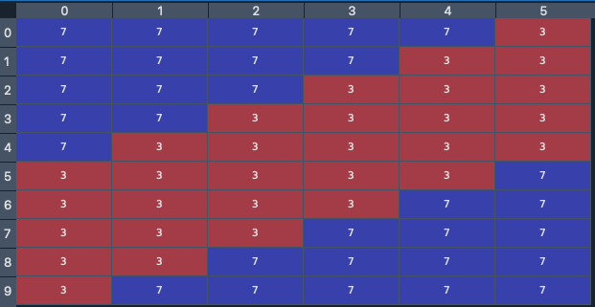 | 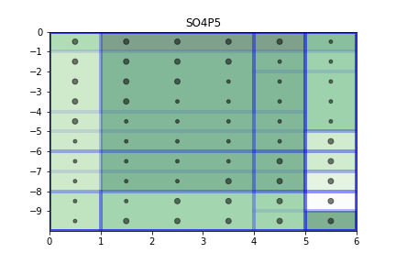 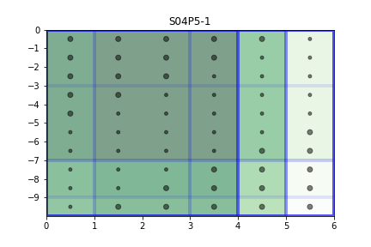 | 170 | 121.41 | 121.41 | 190.98 | 119.52 | 89% | 64000
S05P2 | S05P2.xslx |  | 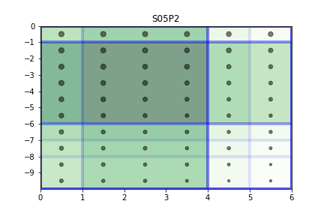 | 225 | 87.9 | 87.91 | 192.71 | 190.95 | 117% | 64000
S05P5 | S05P5.xslx | 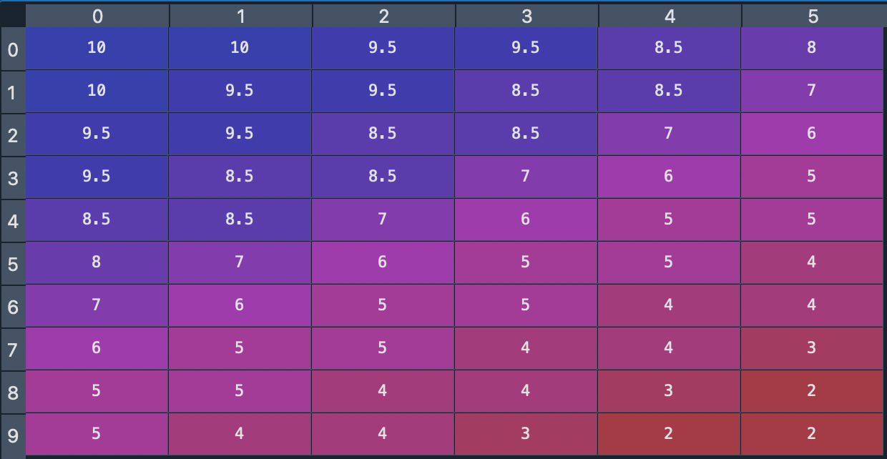 | 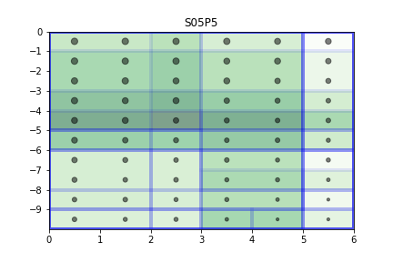 | 209 | 87.9 | 87.9 | 192.71 | 190.95 | 108% | 64000
S05P10 | S05P10.xslx |  | 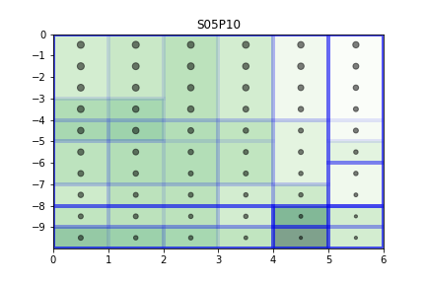 | 192 | 87.9 | 87.9 | 192.71 | 190.95 | 100% | 64000
C03P5 | C03P5.xslx |  | 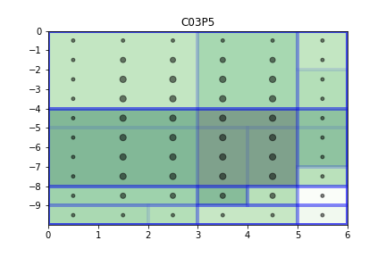 | 215 | 123.07 | 123.07 | 125.47 | 119.77 | 171% | 64000
M01P5 | M01P5.xslx | 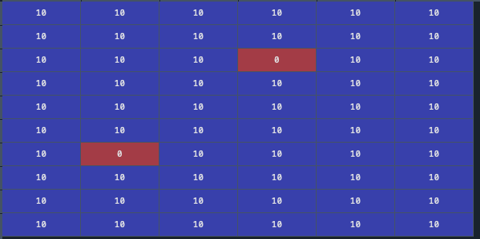 | 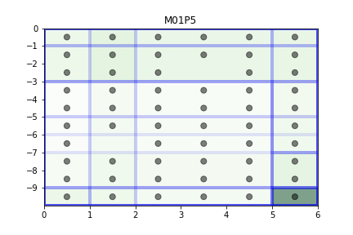 | 370 | 0 | 234.99 | 364.68 | 311.69 | 101% | 64000
T01P5 | T01P5.xslx | Upper Triangular | 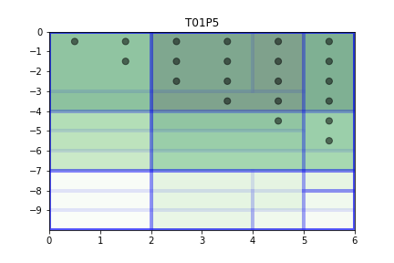 | 119 | 0 | 0 | 42.14 | 36.84 | 282% | 64000
T02P5 | T02P5.xslx | Lower Triangular | 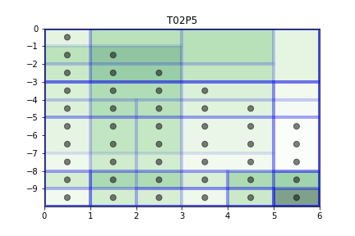 | 233 | 0 | 157.7 | 211.74 | 194.15 | 110% | 64000
Multi 1 | Multi 1.xslx | ﻿map1 = np.full((10, 6), 10) map1[:,:2] = 3 map2 = np.copy(map1) map3 = np.copy(map1) map2[:,:4] = 3 map3 = np.triu(np.full((10, 6), 10)) |  |  | 126.51 | 126.51 | 126.51 | 126.51
 |  |  |  |  | 119.11 | 119.11 | 119.11 | 119.11
 |  |  |  |  | 0 | 0 | 42.14 | 36.84
 |  |  | AVERAGE | 106 | 81.873333333 | 81.873333333 | 95.92 | 94.153333333

